pricelist
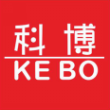 |  | Tongxiang Kebo Toys Co., Ltd.
 |  | Address：No. 519, Jingwei Street, Huxiao, Chongfu Town, Tongxiang, Zhejiang, China Mobile/Whatsapp/Weichat： 008618957337769 Ctc： Adam Skype： txkebo Email：txkebo@outlook.com

Pricelist（Available for 3 month）
No | Name | Images | Price | KBED-7A |  | KBED-17A |  | KBED-33A
1 | L-block | 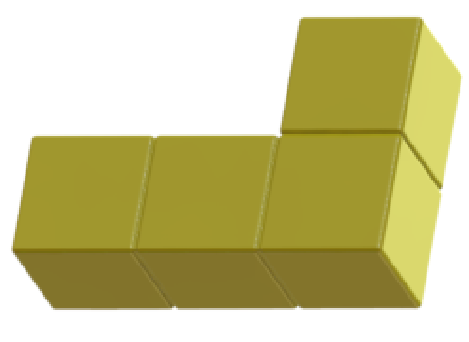 | $0.430 | 2 | 0.86 | 2 | 0.86 | 5 | 2.15
2 | Square | 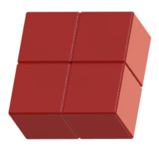 | $0.430 | 1 | 0.43 | 3 | 1.29 | 5 | 2.15
3 | I-Block |  | $0.460 | 0 | 0 | 3 | 1.38 | 5 | 2.3
4 | T-Block | 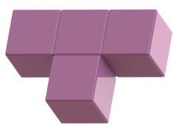 | $0.410 | 1 | 0.41 | 3 | 1.23 | 5 | 2.05
5 | Z-Block | 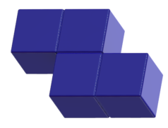 | $0.410 | 2 | 0.82 | 2 | 0.82 | 6 | 2.46
6 | C-Block | 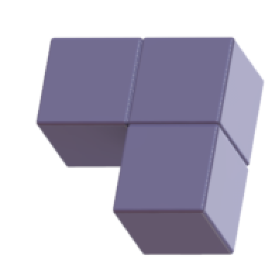 | $0.340 | 1 | 0.34 | 4 | 1.36 | 7 | 2.38
7
8
 |  |  |  |  | 2.86 |  | 6.94 |  | 13.49
 |  |  |  | Packaging | 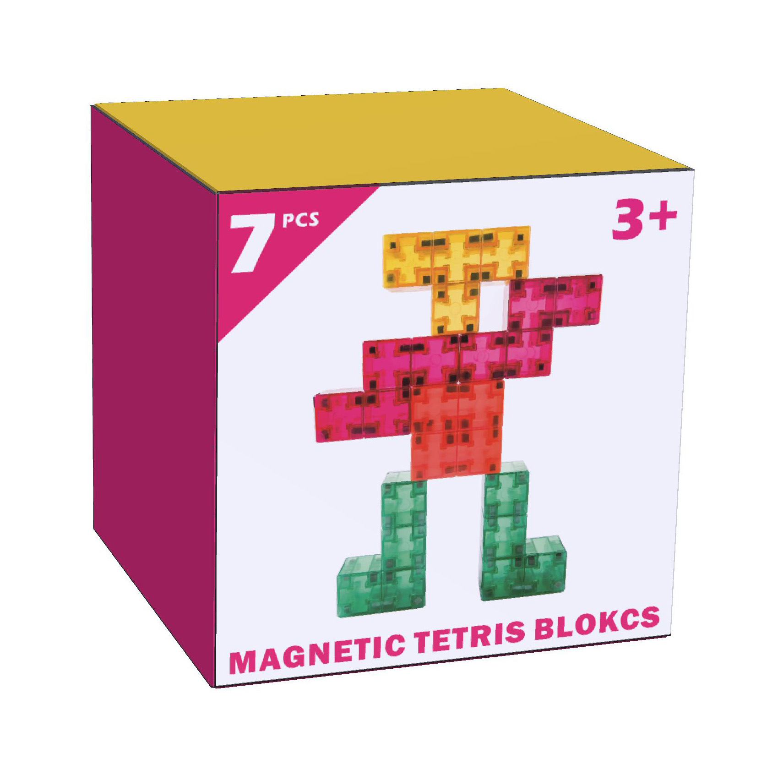 |  | 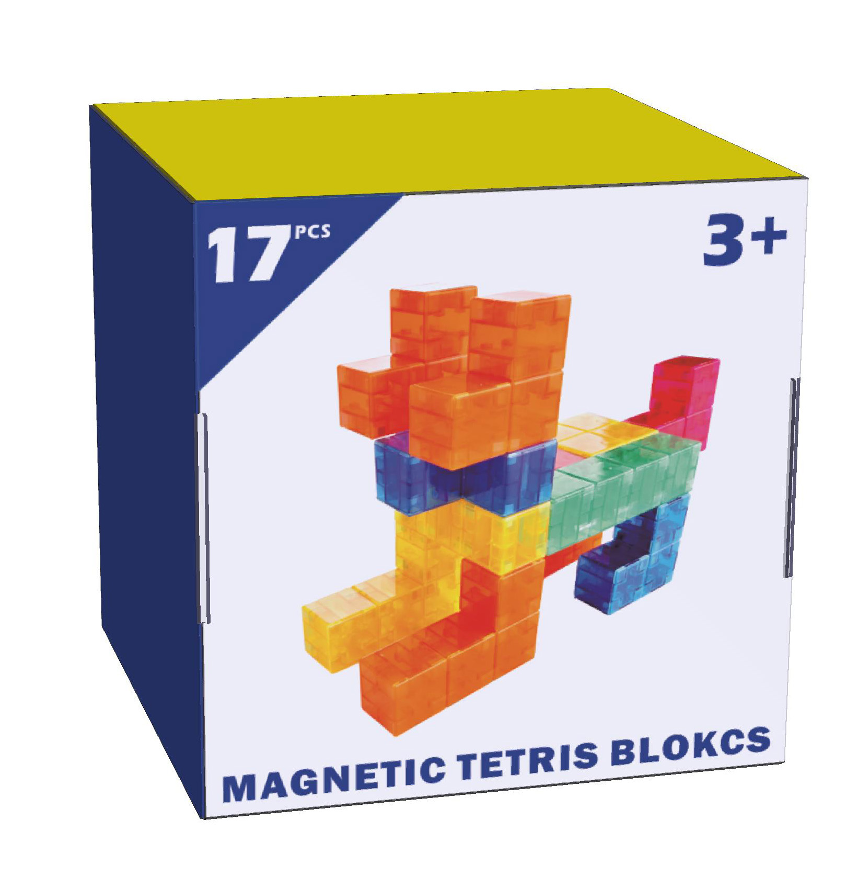 |  | 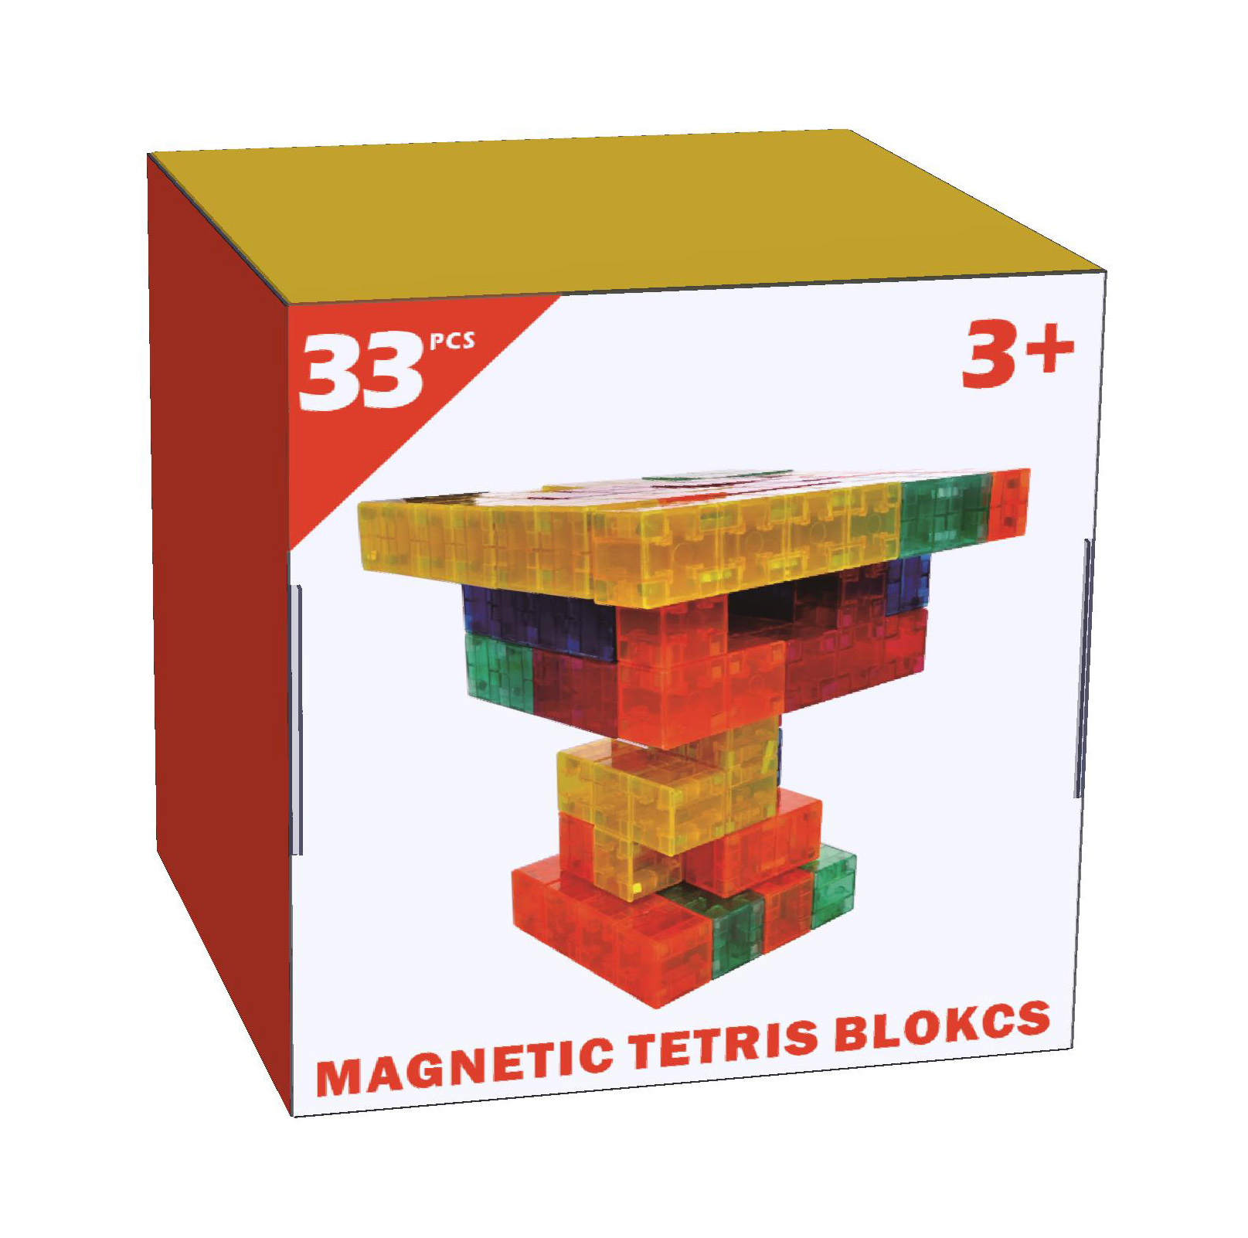
 |  |  | Total Price | FOB shanghai | 3.36 |  | 7.64 |  | 14.39

